NBA Heights
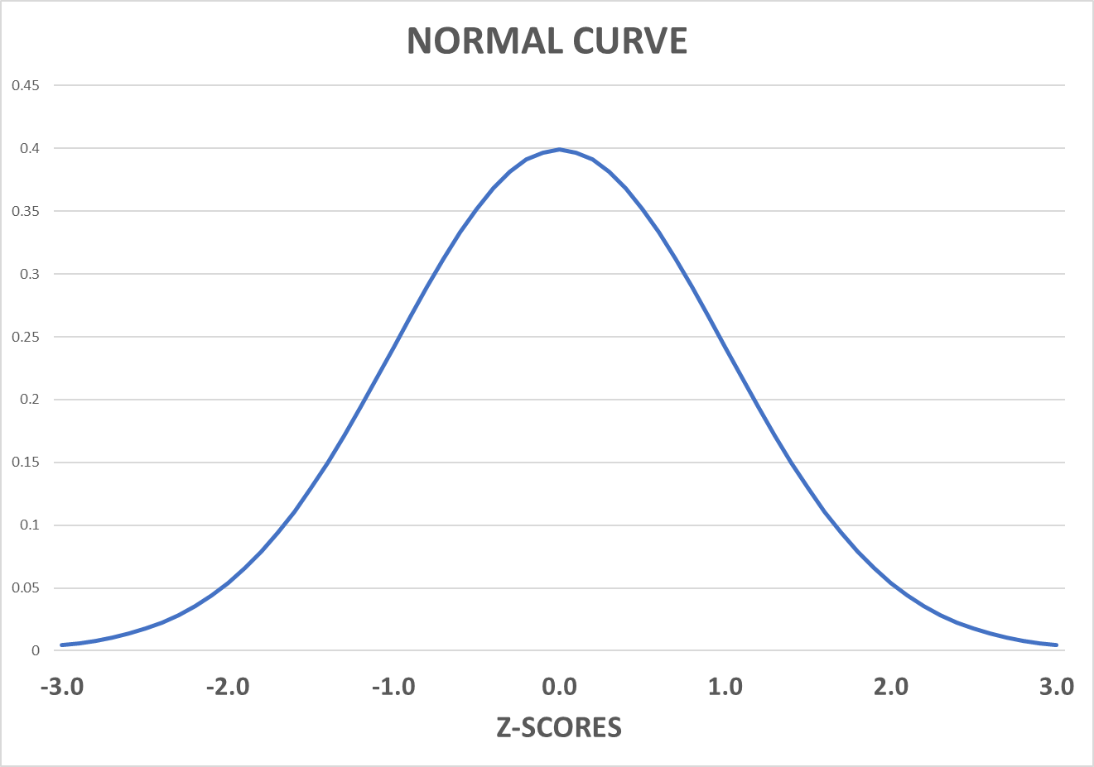
Assume that NBA player heights are normally distributed. |  |  |  | Mean (cm) | 199
Heights of Player (cm) | Z-Score | Players SHORTER than this player | Players TALLER than this player | Standard Deviation | 8.89
180 | -2.137 | 1.63% | 98.37%
215 | 1.800 | 96.41% | 3.59%

Players outside of this range |  | 5.22%
Between these two heights |  | 94.78%

